spo 21.12 to 31.01
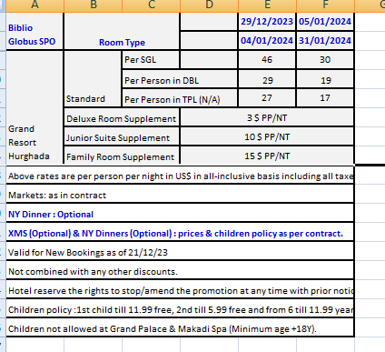
first date | second date | SGL - STD | SGL - DLX | SJ | D | DBL - STD | DBL- DLX | DBL - J.S | DBL - FAM | TPL | TPL - J.S | TF
2023-11-25 | 2023-12-28 | 32 | 35 | 42 | 20 | 40 | 46 | 60 | 70 | 18 | 84 | 99
2023-12-29 | 2024-01-04 | 46 | 49 | 56 | 29 | 58 | 64 | 78 | 88 | 27 | 111 | 126
2024-01-05 | 2024-01-31 | 30 | 33 | 40 | 19 | 38 | 44 | 58 | 68 | 17 | 81 | 96

